Location Plan & Summary
Intelligent Data Collection Limited

Client: | Bristol City Council |  |  | Date of Survey: |  | 09.07.2015
Project Number: | ID02343 |  |  | Site Name: |  | Kilburn Street
Site Number: | ANPR Site 7 |  |  | Survey Type: |  | Two-way Link Count

X Coordinate |  | Y Coordinate |  |  | Google Maps Link
51.461878 |  | -2.56308 |  |  | Click Here
AM Peak Conditions |  | Inter-Peak Conditions |  |  | PM Peak Conditions
Clear and Sunny |  | Clear and Sunny |  |  | Clear and Sunny
Junction Layout

N

 |  |  |  |  |  | Arm B - Kilburn St (N)

 |  |  | Arm A - Kilburn St (S)

Aerial Mapping and On-site Camera View
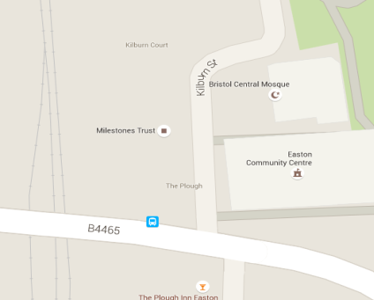

Arm A - Kilburn St (S)

Arm B - Kilburn St (N)

Junction Flow Profile
Arm Approach Flows (All Vehicles)
 | A to B (Northbound) | B to A (Southbound) | Two-way Total
7:00:00 | 0 | 9 | 9
7:15:00 | 4 | 9 | 13
7:30:00 | 9 | 20 | 29
7:45:00 | 9 | 22 | 31
8:00:00 | 7 | 20 | 27
8:15:00 | 9 | 24 | 33
8:30:00 | 14 | 41 | 55
8:45:00 | 9 | 22 | 31
9:00:00 | 11 | 22 | 33
9:15:00 | 20 | 15 | 35
9:30:00 | 11 | 19 | 30
9:45:00 | 12 | 13 | 25
10:00:00 | 7 | 12 | 19
10:15:00 | 15 | 19 | 34
10:30:00 | 15 | 18 | 33
10:45:00 | 9 | 24 | 33
11:00:00 | 10 | 12 | 22
11:15:00 | 10 | 12 | 22
11:30:00 | 10 | 10 | 20
11:45:00 | 10 | 26 | 36
12:00:00 | 20 | 18 | 38
12:15:00 | 14 | 19 | 33
12:30:00 | 18 | 16 | 34
12:45:00 | 19 | 12 | 31
13:00:00 | 21 | 18 | 39
13:15:00 | 16 | 20 | 36
13:30:00 | 16 | 30 | 46
13:45:00 | 18 | 17 | 35
14:00:00 | 16 | 17 | 33
14:15:00 | 13 | 24 | 37
14:30:00 | 13 | 39 | 52
14:45:00 | 15 | 26 | 41
15:00:00 | 13 | 13 | 26
15:15:00 | 20 | 20 | 40
15:30:00 | 19 | 19 | 38
15:45:00 | 27 | 23 | 50
16:00:00 | 23 | 19 | 42
16:15:00 | 26 | 24 | 50
16:30:00 | 26 | 18 | 44
16:45:00 | 36 | 26 | 62
17:00:00 | 17 | 18 | 35
17:15:00 | 26 | 23 | 49
17:30:00 | 28 | 30 | 58
17:45:00 | 20 | 28 | 48
18:00:00 | 21 | 26 | 47
18:15:00 | 23 | 27 | 50
18:30:00 | 40 | 26 | 66
18:45:00 | 17 | 33 | 50

Additional Notes (Factors which may impact on survey results such as accidents, roadworks, special events):

